Bid Sheet
SL25 Bid Season Board |  |  |  |  |  |  |  |  |  |  |  |  | Timers Update Every 5 Seconds. Don't try to wait out the clock!
Captain | Balance | Bids Out: | Available Balance: | S |  | Cosmos5024 (Cosmos) | Fanciest Pants (Fancy) | Deathcrawller (Death) | AwareMosquito (Aware) | El Diablo X230X (Diablo) | VwS Executioner (Executioner)
 |  |  |  | A
 | 0 | 0 |  | B |  | 310 | 310 | 280 | 20 | 20 | 60
 | 0 | 0 |  | C |  | 0:02 | 0:01 | 0:01 | 0:01 | 0:00 | 0:04
 | 0 | 0 |  | D
 | 40 | 0 |  | E/F
 | 20 | 0 |  | N/A |  | Mavbrid (Mav) | PoisonxPoptart (Poptart) | TommyWstSide (Tommy) | PsyDucky54 (Ducky) | Big Al 60 (BigAl) | Legion of Toast (Toast)
 | 40 | 0
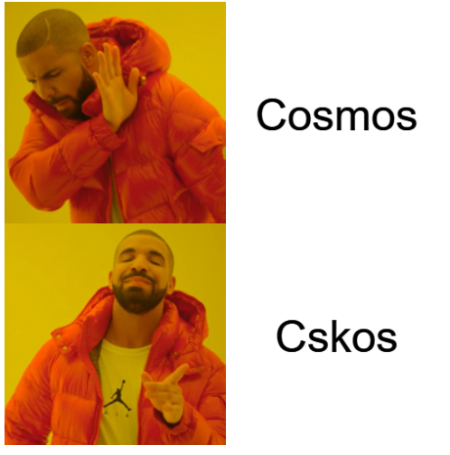
 | 0 | 0 |  |  |  | 320 | 220 | 80 | 10 | 10 | 10
 | 0 | 0 |  |  |  | 0:03 | 0:04 | 0:01 | 0:01 | 0:00 | 0:01
 | 40 | 0
 | 0 | 0
 | 50 | 0 |  |  |  | PapasnipezX (Snipez) | SPANKTR0N (Spank) | Inactive Spoon (Spoon) | Sauted Smurf (Smurf) | itsRiskE (RiskE) | Rage More Nerd (Rage) |  | 2 | 1 | 1 | 1 | 0 | 4 | M5
 | 0 | 0 |  |  |  |  |  |  |  |  |  |  | 3 | 4 | 1 | 1 | 0 | 1 | M11
 | 0 | 0 |  |  |  | 320 | 370 | 70 | 10 | 170 | 180 |  | 4 | 1 | 1 | 1 | 1 | 1 | M17
 | 0 | 0 |  |  |  | 0:04 | 0:01 | 0:01 | 0:01 | 0:01 | 0:01 |  | 1 | 1 | 1 | 0 | 1 | 1 | M23
Teams |  |  |  |  |  |  |  |  |  |  |  |  | 4 | 1 | 3 | 1 | 1 | 1 | M29
 |  |  |  |  |  |  |  |  |  |  |  |  | 1 | 1 | 1 | 2 | 3 | 3 | M35
Evil | mav, ducky, demon |  |  |  |  | ill shrek u (Shrek) | iReign 7 (Reign) | Grunt Padre (Grunt) | Priest XYZ (Priest) | ENDASIS ZX5080 (Endasis) | Its Low Mane (Low) |  | 4 | 2 | 3 | 1 | 1 | 1 | M41

 |  |  |  |  |  | 370 | 240 | 10 | 110 | 70 | 10
ASpence | fancy, boss, smurf |  |  |  |  | 0:01 | 0:01 | 0:01 | 0:00 | 0:01 | 0:01

Epic | penguin, shrek, rage |  |  |  |  | Sabasauros rex (Sab) | ixGingy (Gingy) | Dhlyn (Dhlyn) | Trespa5s (Trespass) | CaptainSev004 (Sev) | TcT Demon (Demon)

 |  |  |  |  |  | 450 | 280 | 160 | 10 | 110 | 180
KD | zim, aware, panther |  |  |  |  | 0:04 | 0:01 | 0:03 | 0:01 | 0:01 | 0:01

Novice | dhlyn, trespass, riske |  |  |  |  | Invayda Zim (Zim) | mxrvine (Hawk) | The Goosler2948 (Goosler) | Almighty Tycoon (Boss) | Ump Double Ump (Ump) | ShadowPandah (Pandah)

 |  |  |  |  |  | 250 | 260 | 50 | 10 | 10 | 10
Scullen | pandah, goosler, spank |  |  |  |  | 0:01 | 0:01 | 0:01 | 0:02 | 0:03 | 0:03

 |  |  |  |  |  | ill shrek u (Shrek) | PoisonxPoptart (Poptart) | iReign 7 (Reign) | NOPLEX (Noplex) | The Goosler (Goosler)
Chemical | poptart, priest, sev |  |  |  |  | Rechargen (Frnzh) | Havoc Puppies (Havoc) | MuNgO PuNgO (Mungo) | II Panther Lily (Panther) | Pacfan010 (Pacfan) | Triumph Penguin (Penguin)

 |  | 470 |  |  |  | 230 | 180 | 270 | 150 | 10 | 10
Avenger | havoc, death, diablo |  |  |  |  | 0:04 | 0:02 | 0:03 | 0:01 | 0:01 | 0:01

Daedric | cosmos, frnzh, executioner |  |  |  | Player | ixGingy (Gingy) | PoisonxPoptart (Poptart) | iReign 7 (Reign) |  |  | Pacfan010 (Pacfan)

 |  |  |  |  | Current Bid
Squirrel | hawk, ump, endasis |  |  |  | Timer
 |  |  |  |  |  |  |  |  |  |  |  |  |  | epic

Luxe | low, gingy, tommy |  |  |  | Player

 |  | 470 |  |  | Current Bid
Solace | grunt, spoon, mungo |  |  |  | Timer |  |  |  |  |  | C | C

nkot | snipez, reign, toast

Noplex | sab, bigal, pacfan

